Sheet1
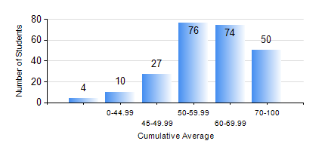
 |  |  | KWAME NKRUMAH UNIVERSITY OF SCIENCE AND TECHNOLOGY, KUMASI Department of Mechanical Engineering

 |  |  | BSC. MECHANICAL ENG.

 |  |  | COMPREHENSIVE RECORD OF EXAMINATION RESULTS

 |  |  | RESULTS OF YEAR 1 SECOND SEMESTER, 2023/2024 ACADEMIC YEAR

 | Sn | Course Code |  | Course Name | Credit Hours | Min. Mark | Max. Mark | Avg. Mark | Std. Dev. | No. Passed | No. Trailed | No. (Df) | No. (I) | No. (I*) | No. Tagged(I,I*,Df) | Total
 | 0. |  |  |  |  |  |  | 0 | 0 | 0 | 0 | 0 | 0 | 0 | 0 | 4
 | 1. | EE 152 |  | BASIC ELECTRONICS | 2 | 26 | 88 | 52 | 12.51 | 211 | 24 | 0 | 2 | 0 | 2 | 237
 | 2. | ENGL 158 |  | COMMUNICATION SKILLS II | 2 | 33 | 97 | 75 | 13.8 | 231 | 5 | 0 | 1 | 0 | 1 | 237
 | 3. | MATH 152 |  | CALCULUS WITH ANALYSIS | 4 | 20 | 93 | 49 | 13.97 | 215 | 20 | 0 | 2 | 0 | 2 | 237
 | 4. | ME 160 |  | ENGINEERING DRAWING | 3 | 40 | 90 | 62 | 12.91 | 235 | 0 | 0 | 2 | 0 | 2 | 237
 | 5. | ME 164 |  | ENGINEERING MECHANICS I: STATICS | 2 | 4 | 96 | 54 | 16.66 | 213 | 23 | 0 | 1 | 0 | 1 | 237
 | 6. | ME 168 |  | COMPUTER PROGRAMMING FOR ENGINEERS | 2 | 40 | 79 | 53 | 11.64 | 236 | 0 | 0 | 1 | 0 | 1 | 237
 | 7. | ME 174 |  | PRODUCT DESIGN AND MANUFACTURING | 2 | 20 | 83 | 69 | 7.13 | 233 | 1 | 0 | 2 | 0 | 3 | 237

